Lingeries (2)
Online Proposal

Dept : Lingeries |  |  |  |  |  |  |  | SUBMISSION : 30.9.2021
Brand : PIERRE CARDIN |  |  |  |  |  |  |  | DATE UPLOAD: 1.10.2021
 |  |  |  |  |  |  |  | LISTING :
 |  |  |  |  |  |  |  | Remove:
No | Brand's | Description | Article | Unit Price | Promotion | Cup | Size | Cololur | Actual Visual | Weight (per pc)

1 | Pierre Cardin | • Padded Wireless Bra • Lightly Padded • Comfortable and lightweight • Adjustable shoulder-straps • Back hook closure | 602-62160 | RM89.00 | RM29.00 | B, C | 70 - 85 | BLK | 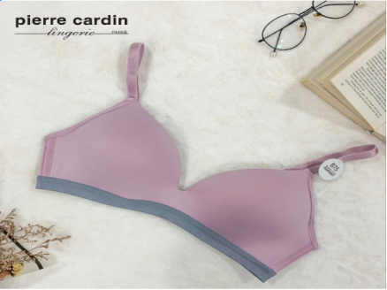 | 500g
2 | Pierre Cardin | • Wired demi bra • Moulded cups • Smooth microfibre • Adjustable shoulder straps • Hook and eye closure | 602-62112 | RM89.00 | RM29.00 | B | 70 - 85 | MOS, LBE, LPP, MPK | 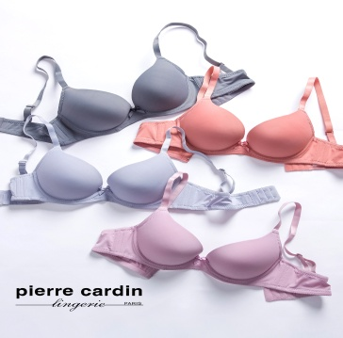 | 500g
3 | Pierre Cardin | • High-Waist Panty • Made with smooth microfibre • Cotton-lined gusset • Matching bras sold separately | 502-6829C | RM19.00 | 3 for RM39, 6 for RM69 |  | M, L | DGY, LBR, LPK, MBR | 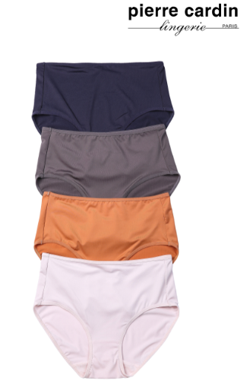 | 500g
4 | Pierre Cardin | • Freecut scalloped one piece demi bra • Wireless push-up • Avaliable in 4 colours • Seam free moulded cups • Smooth microfibre • Adjustable shoulder straps • Hook and eye closure | 602-62109 | RM89.00 | RM29.00 | B | 70 - 80 | BEI, BLE, BLK | 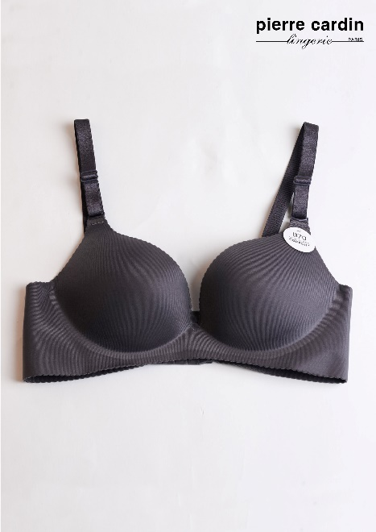 | 500g

